bixi_annual_rides
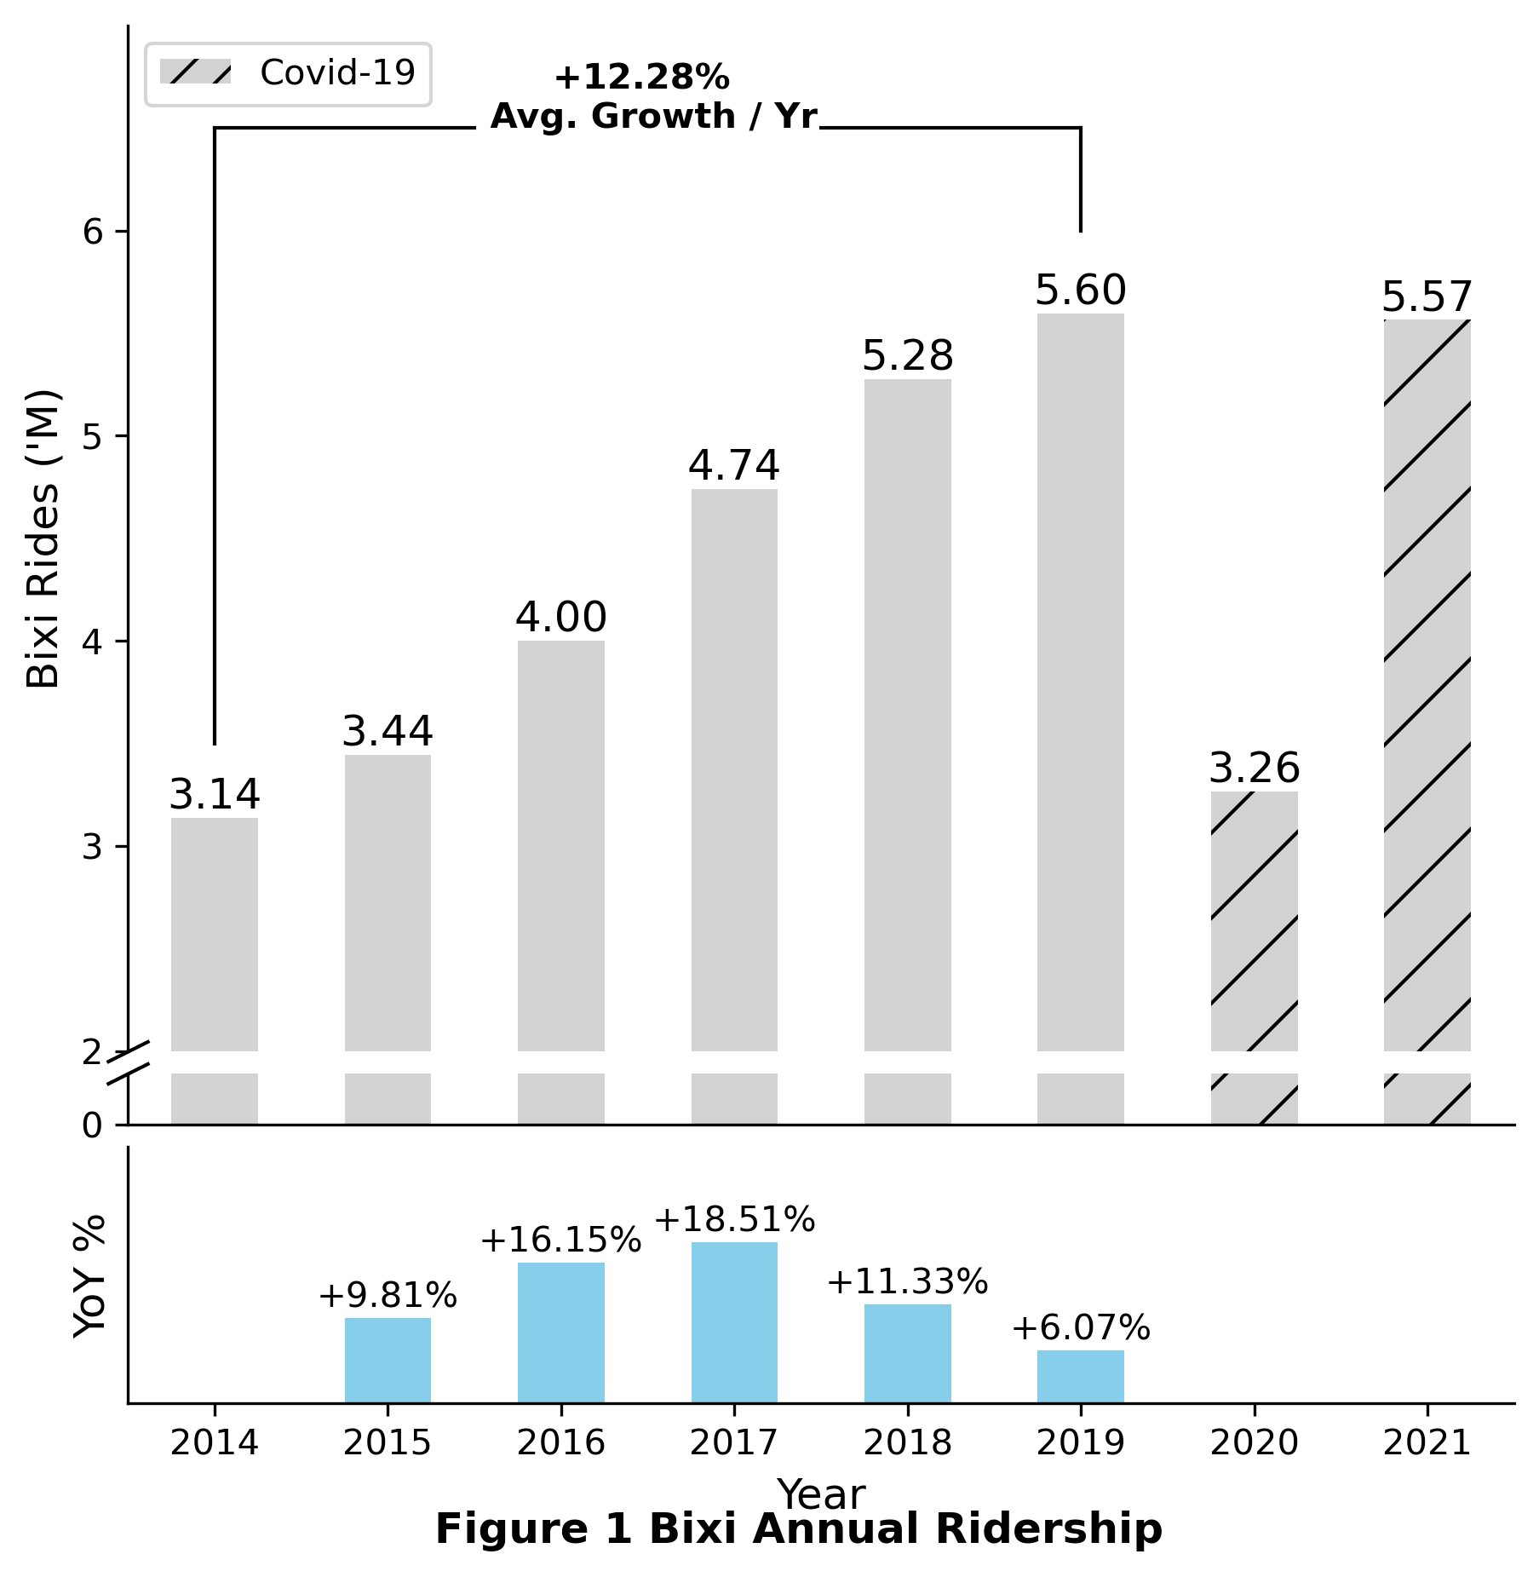
Year | Rides ('M) | YoY % Change
2014 | 3.14
2015 | 3.44 | 9.81%
2016 | 4.00 | 16.15%
2017 | 4.74 | 18.51%
2018 | 5.28 | 11.33%
2019 | 5.60 | 6.07%
2020 | 3.26 | -41.68%
2021 | 5.57 | 70.50%

